Prob1
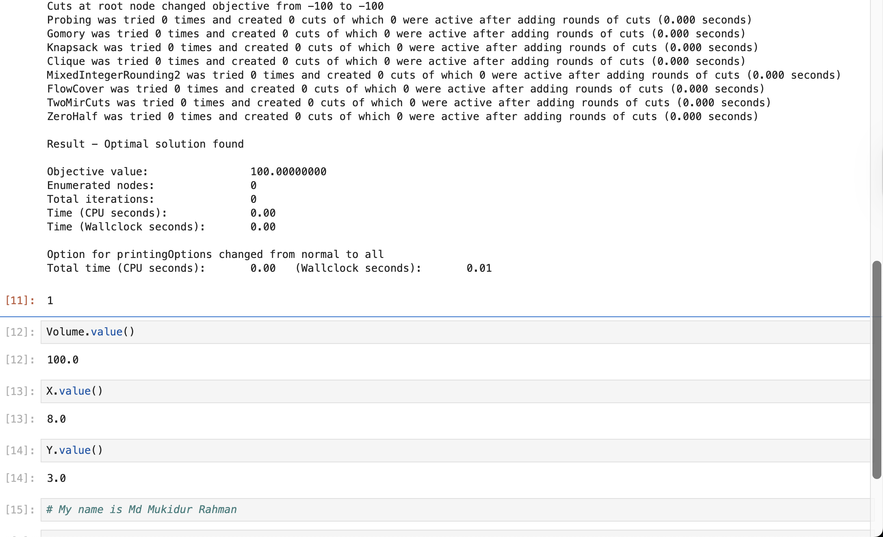
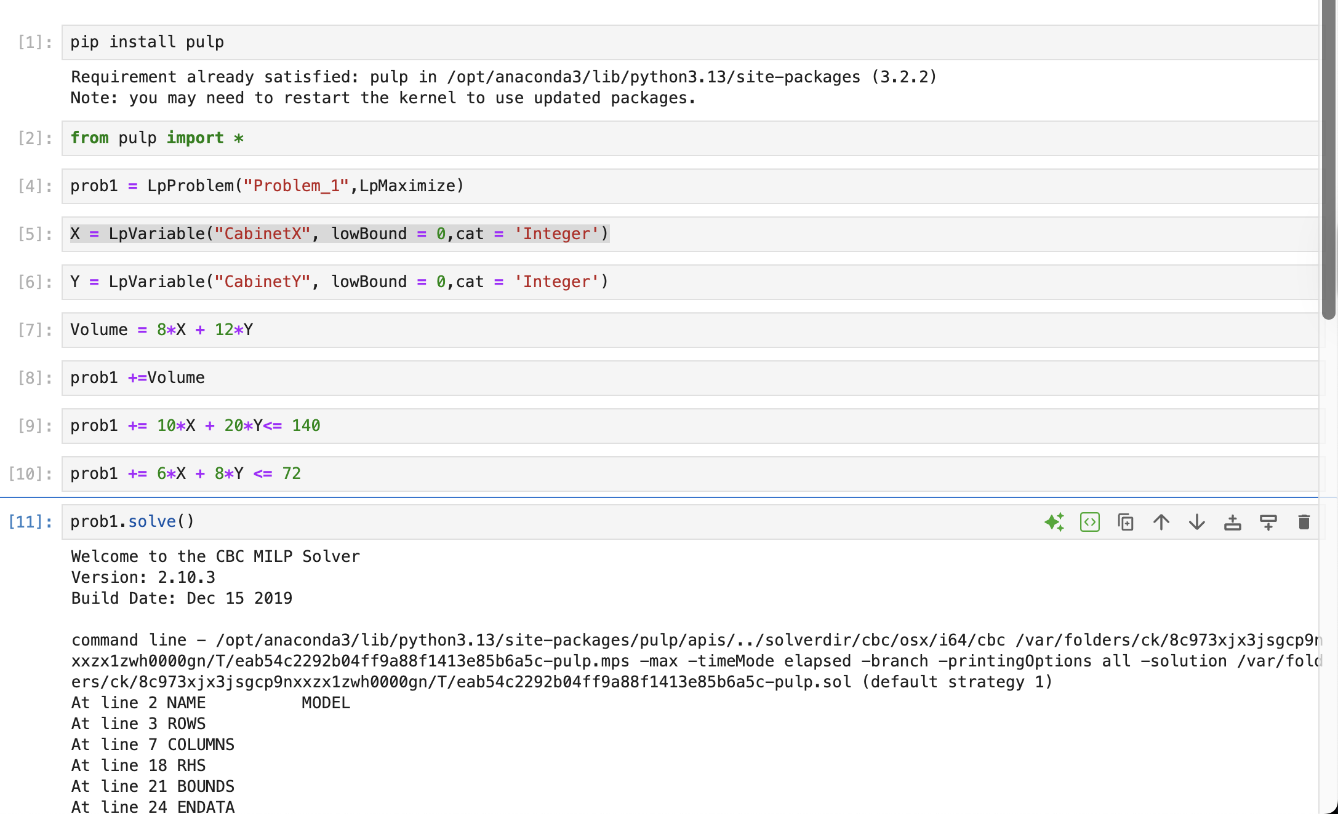
 | Initial/Optimal
X | 8
Y | 3
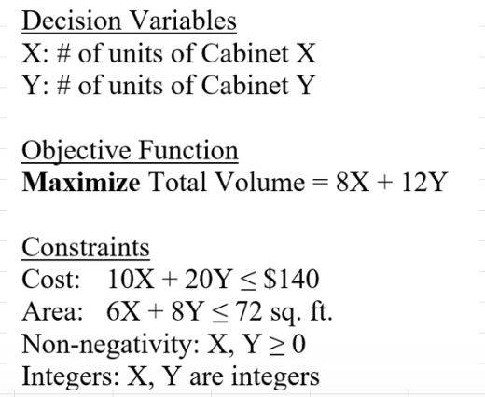
max Vol | 100

Cost | 140 | <= | 140
Area | 72 | <= | 72

Prob2
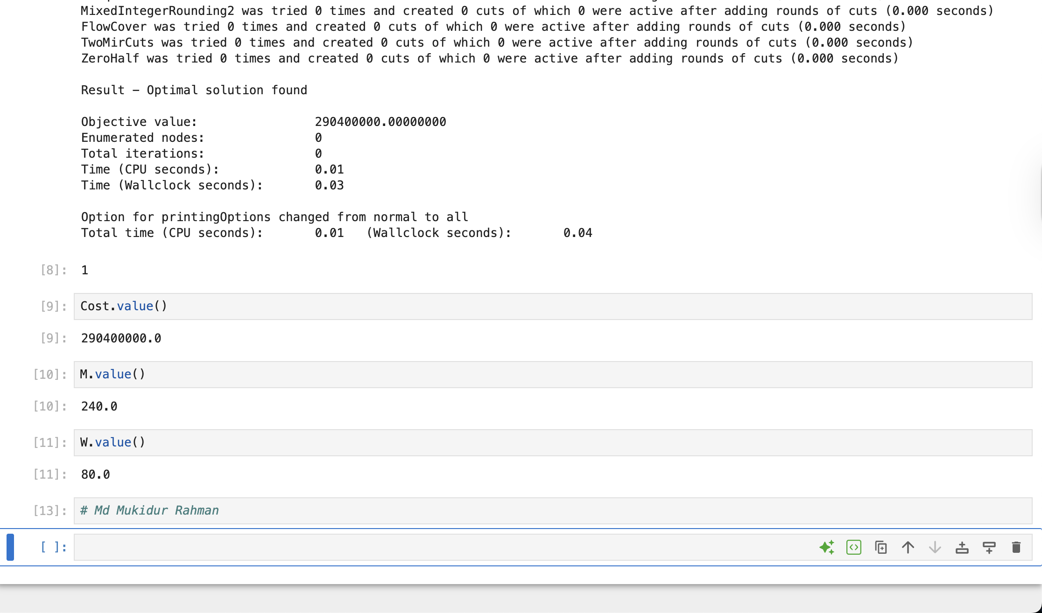
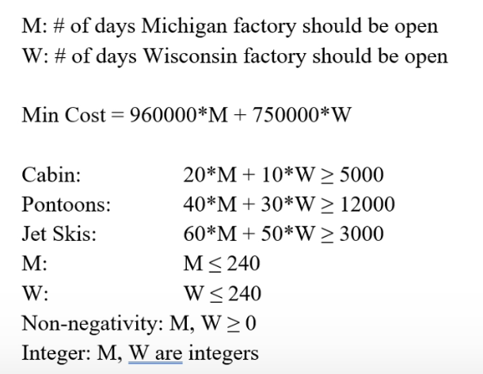
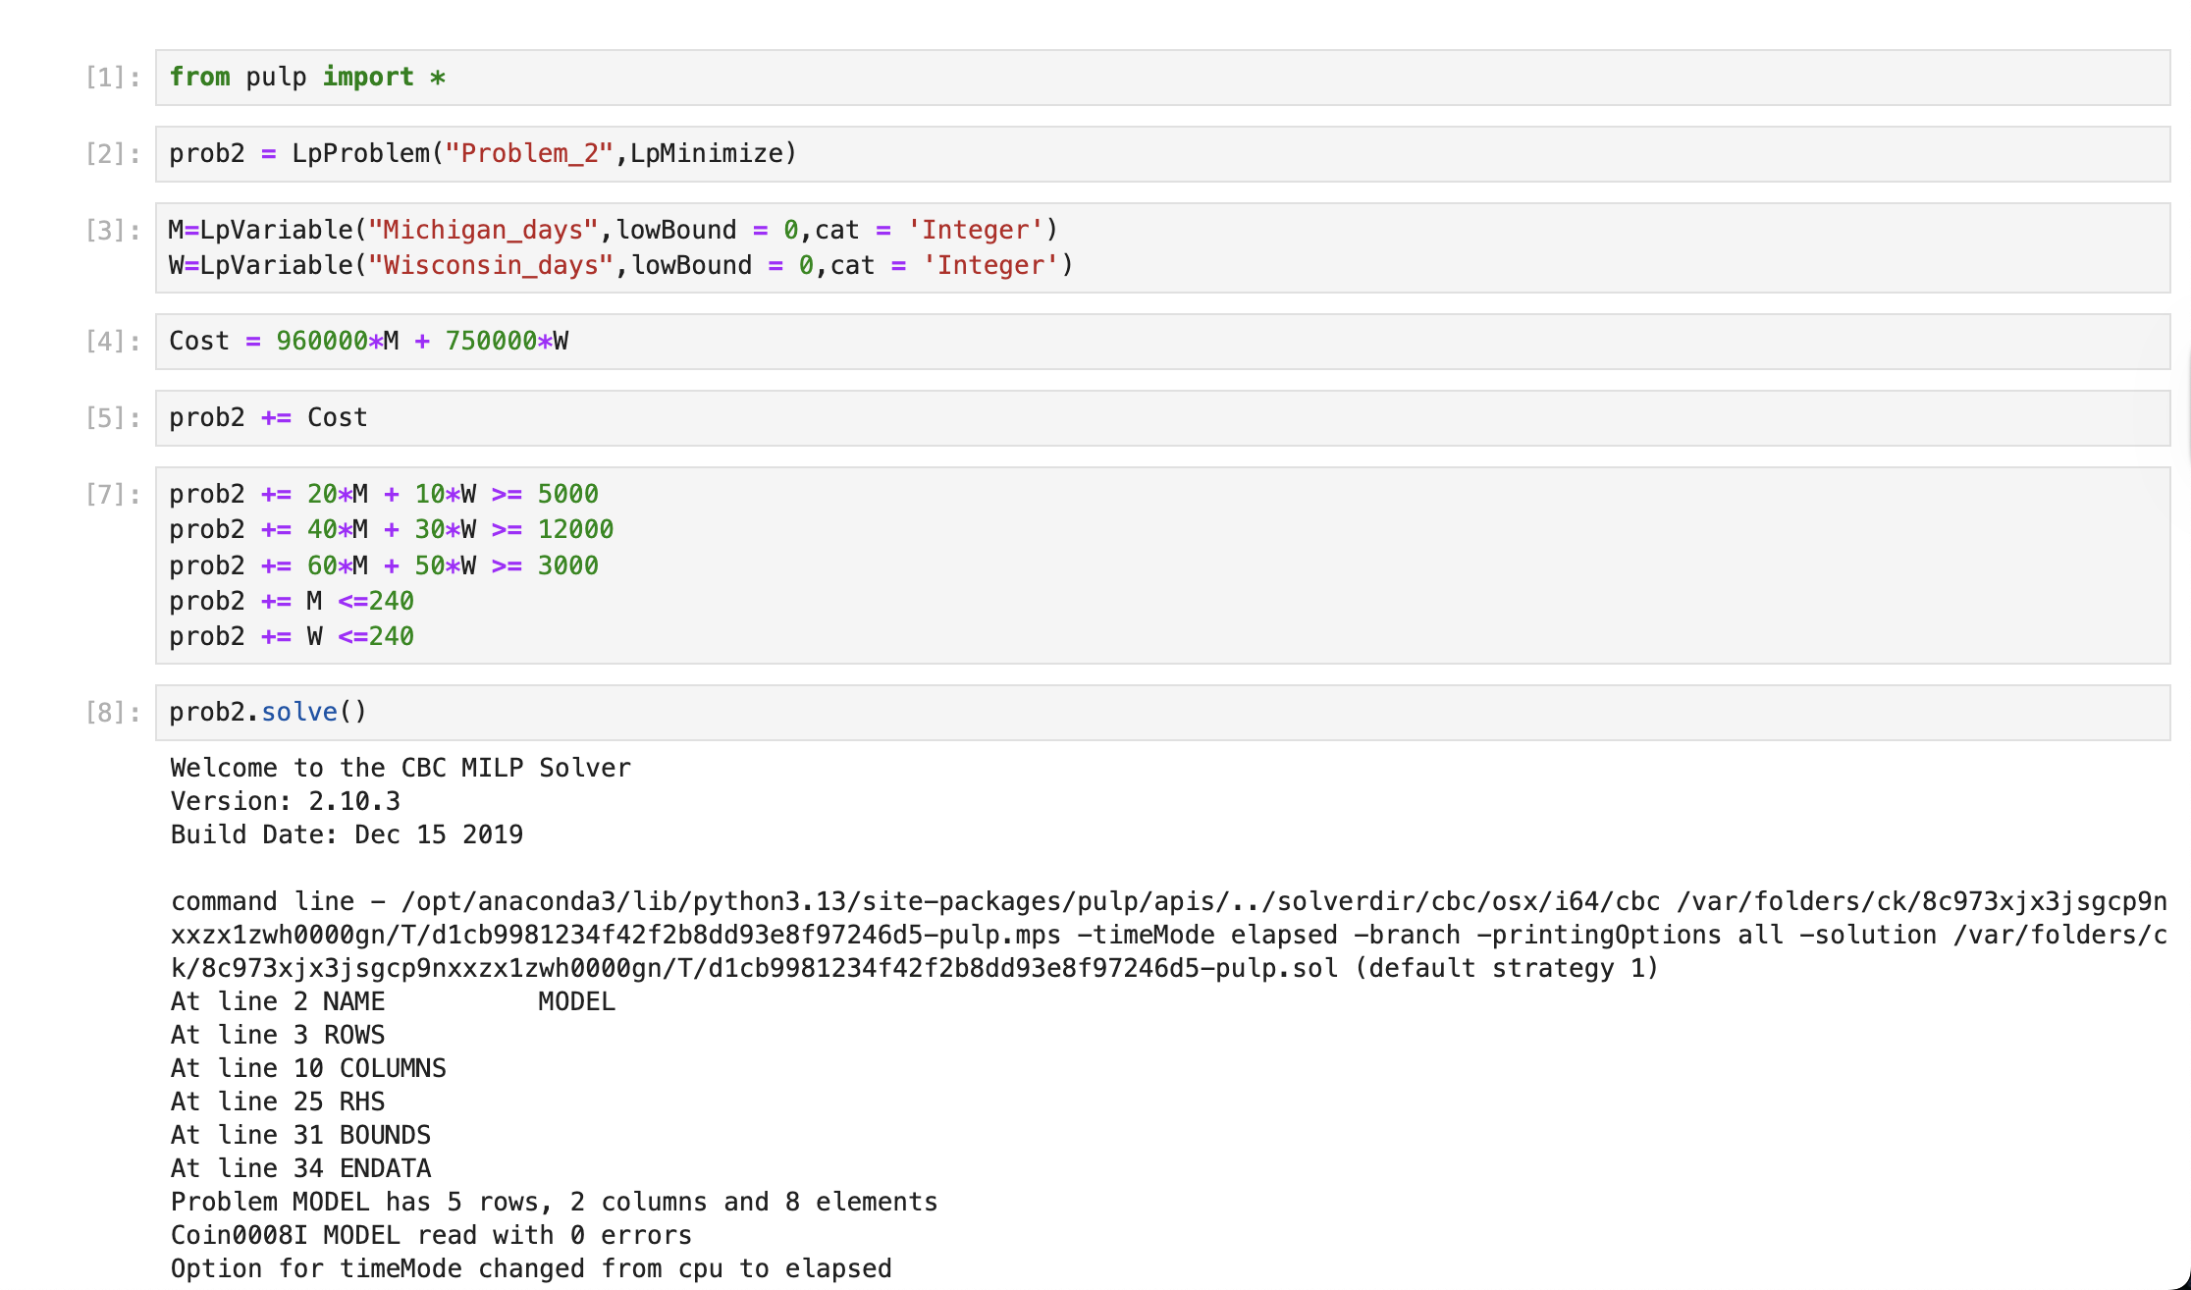
 | Initial/Optimal
M | 240
W | 80

Cost | 290400000

Cabi | 5600 | >= | 5000
Pontoons | 12000 | >= | 12000
Jet Skis | 18400 | >= | 3000

